Sheet1
SL # | ITEM | ITEM DESCRIPTION | FABRICATION | BRAND | PACKING | SIZE GROUP RATIO | TOTAL QUANTITY | TOTAL CARTONS | PCS PER CARTON
1 | 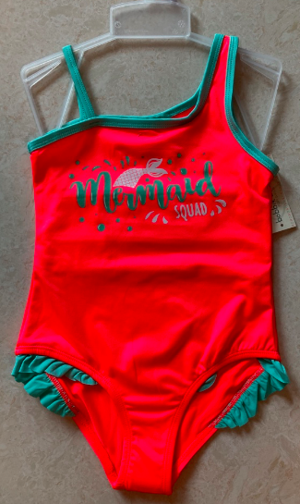 | SY22G-MI-ONE PIECE MERMAID | 92% POLYESTER 8% SPANDEX SINGLE JERSEY 190 GSM 100% POLYESTER WHITE 4 WAYS STRETCH LINING 90 GSM | BOBBIE BROOKS | 4 PCS/BLISTER WITH INDIVIDUAL HANGER AND 12 BLISTERS IN A CARTON - 48 PCS/CTN. | GIRLS SWIM 4/5-7/8-10/12-12/14 1/1/1/1 | 14256 | 297 | 48
2 | 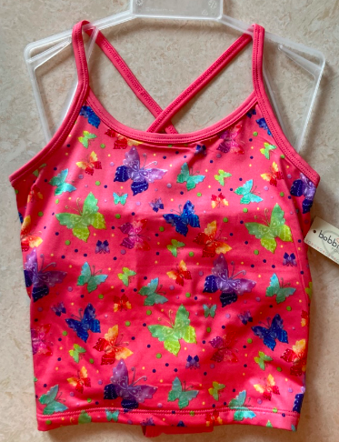 | SY22G-MI-TANKINI BUTTERFLY | 92% POLYESTER 8% SPANDEX SINGLE JERSEY 190 GSM 100% POLYESTER WHITE 4 WAYS STRETCH LINING 90 GSM | BOBBIE BROOKS | 4 PCS/BLISTER WITH INDIVIDUAL HANGER AND 12 BLISTERS IN A CARTON - 48 PCS/CTN. | GIRLS SWIM 4/5-7/8-10/12-12/14 1/1/1/1 | 10512 | 219 | 48
3 | 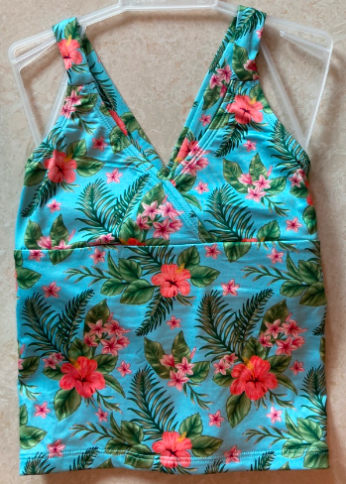 | SY22G-MI-TANKINI FLORAL | 92% POLYESTER 8% SPANDEX SINGLE JERSEY 190 GSM 100% POLYESTER WHITE 4 WAYS STRETCH LINING 90 GSM | BOBBIE BROOKS | 4 PCS/BLISTER WITH INDIVIDUAL HANGER AND 12 BLISTERS IN A CARTON - 48 PCS/CTN. | GIRLS SWIM 4/5-7/8-10/12-12/14 1/1/1/1 | 6288 | 131 | 48
4 | 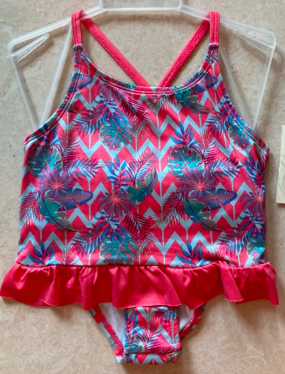 | SY22G-MI-TANKINI TROPICAL | 92% POLYESTER 8% SPANDEX SINGLE JERSEY 190 GSM 100% POLYESTER WHITE 4 WAYS STRETCH LINING 90 GSM | BOBBIE BROOKS | 4 PCS/BLISTER WITH INDIVIDUAL HANGER AND 12 BLISTERS IN A CARTON - 48 PCS/CTN. | GIRLS SWIM 4/5-7/8-10/12-12/14 1/1/1/1 | 7056 | 147 | 48
5 | 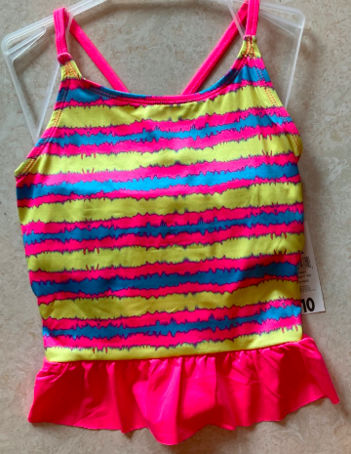 | SY22G-MI-TANKINI TIE DIE STRIPE | 92% POLYESTER 8% SPANDEX SINGLE JERSEY 190 GSM 100% POLYESTER WHITE 4 WAYS STRETCH LINING 90 GSM | BOBBIE BROOKS | 4 PCS/BLISTER WITH INDIVIDUAL HANGER AND 12 BLISTERS IN A CARTON - 48 PCS/CTN. | GIRLS SWIM 4/5-7/8-10/12-12/14 1/1/1/1 | 6720 | 140 | 48
 |  |  |  |  | TOTALS |  | 44832 | $448,320.00 | VALUE

